KCL

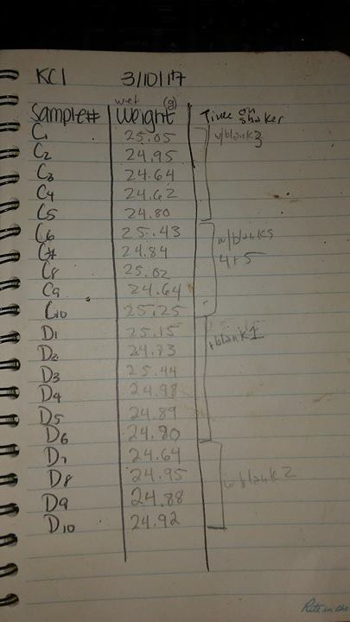
KCL | Date: 3/10/17
Sample | Weight (wet, grams)
Control 1 | 25.05
Control 2 | 24.95
Control 3 | 24.64 | with Blank 3
Control 4 | 24.62
Control 5 | 24.8
Control 6 | 25.43
Control 7 | 24.84
Control 8 | 25.02 | with Blank 4 and 5
Control 9 | 24.64
Control 10 | 25.25
Drought 1 | 21.15
Drought 2 | 24.73
Drought 3 | 25.44 | with Blank 1
Drought 4 | 24.98
Drought 5 | 24.89
Drought 6 | 24.8
Drought 7 | 24.64
Drought 8 | 24.95 | with Blank 2
Drought 9 | 24.88
Drought 10 | 24.92

DEA time
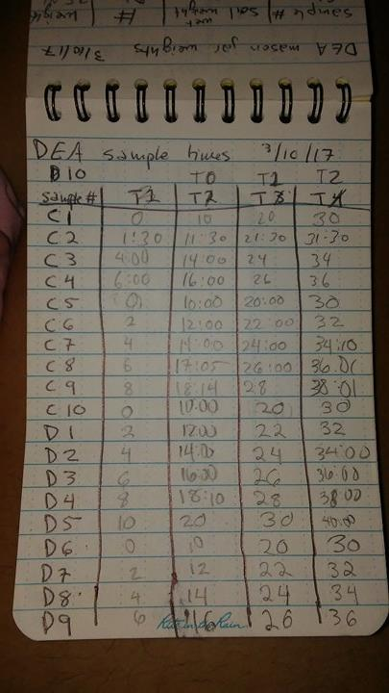
DEA sample times |  | 2017-10-03
 |  | (Time in minutes) |  |  |  |  | (Time in minutes)
Sample # |  | T0 | T1 | T2 | Sample # |  | T0 | T1 | T2
Control 1 | 0:00:00 | 10:00:00 | 20:00:00 | 30 | Drough 1 | 2:00:00 | 12:00:00 | 22 | 32
Control 2 | 1:30:00 | 11:30:00 | 21:30:00 | 31:30:00 | Drough 2 | 4:00:00 | 14:00:00 | 24:00 | 34
Control 3 | 4:00:00 | 14:00:00 | 24:00 | 34 | Drough 3 | 6:00:00 | 16:00:00 | 26 | 36
Control 4 | 6:00:00 | 16:00:00 | 26 | 36 | Drough 4 | 8:00:00 | 18:14:00 | 28 | 38
Control 5 | 0:00:00 | 10:00:00 | 20 | 30 | Drough 5 | 10:00:00 | 20 | 30 | 40
Control 6 | 2:00:00 | 12:00:00 | 22 | 32 | Drough 6 | 0:00:00 | 10:00:00 | 20 | 30
Control 7 | 4:00:00 | 14:00:00 | 24 | 34 | Drough 7 | 2:00:00 | 12:00:00 | 22 | 32
Control 8 | 6:00:00 | 17:05:00 | 26 | 36 | Drough 8 | 4:00:00 | 14:00:00 | 24:00 | 34
Control 9 | 8:00:00 | 18:14:00 | 28 | 38 | Drough 9 | 6:00:00 | 16:00:00 | 26 | 36
Control 10 | 0:00:00 | 10:00:00 | 20 | 30 | Drough 10 | 8:00:00 | 18:14:00 | 28 | 38

pH
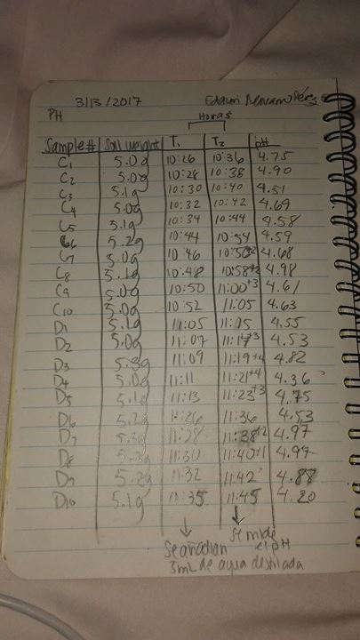
pH | Date: 3/13/17
 |  | Tiempo en horas |  |  |  |  |  | Tiempo en horas
Sample # | Soil Weight (g) | T1 | T2 | pH |  | Sample # | Soil Weight (g) | T1 | T2 | pH
Control 1 | 5 | 10:26:00 | 10:36:00 | 4.75 |  | Drough 1 | 5.1 | 11:05:00 | 11:15:00 | 4.55
Control 2 | 5 | 10:28:00 | 10:38:00 | 4.9 |  | Drough 2 | 5 | 11:07:00 | 11:20:00 | 4.53
Control 3 | 5.1 | 10:30:00 | 10:40:00 | 4.51 |  | Drough 3 | 5.3 | 11:09:00 | 11:23:00 | 4.82
Control 4 | 5 | 10:32:00 | 10:42:00 | 4.69 |  | Drough 4 | 5 | 11:11:00 | 11:25:00 | 4.36
Control 5 | 5.1 | 10:34:00 | 10:44:00 | 4.58 |  | Drough 5 | 5.1 | 11:13:00 | 11:26:00 | 4.75
Control 6 | 5.2 | 10:44:00 | 10:46:00 | 4.59 |  | Drough 6 | 5.2 | 11:26:00 | 11:36:00 | 4.53
Control 7 | 5 | 10:46:00 | 10:58:00 | 4.68 |  | Drough 7 | 5.3 | 11:28:00 | 11:40:00 | 4.97
Control 8 | 5.1 | 10:48:00 | 11:00:00 | 4.98 |  | Drough 8 | 5.3 | 11:30:00 | 11:41:00 | 4.97
Control 9 | 5 | 10:50:00 | 11:03:00 | 4.61 |  | Drough 9 | 5.2 | 11:32:00 | 11:42:00 | 4.88
Control 10 | 5 | 10:52:00 | 11:05:00 | 4.63 |  | Drough 10 | 5.1 | 11:35:00 | 11:45:00 | 4.2

 |  | Comentarios: T1= se añadieron 5mL de agua destilada
 |  |  | T2= Se midio el pH

 |  |  |  | 4.692 |  |  |  |  |  | 4.656

 |  |  |  |  | t-test | 0.71013370614
 |  |  |  |  | t-test | 0.71131391593

Humedad
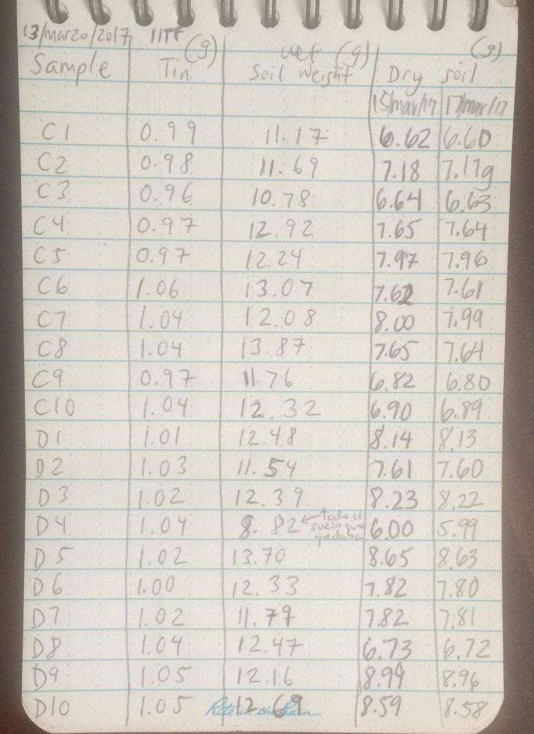
Humedad | 13/marzo/17
Sample # | Tin (g) | Soil Weight-wet(g) (13/marzo de 2017) | Dry soil (15/marzo/2017) | Dry soil (17/marzo/2017) (g) | Sample # | Tin (g) | Soil Weight-wet(g) (13/marzo de 2017) | Dry soil (15/marzo/2017) (g) | Dry soil (17/marzo/2017) (g)
Control 1 | 0.99 | 11.17 | 6.62 | 6.6 | Drough 1 | 1.01 | 12.48 | 8.14 | 8.13
Control 2 | 0.98 | 11.69 | 7.18 | 7.17 | Drough 2 | 1.03 | 11.54 | 7.61 | 7.6
Control 3 | 0.96 | 10.78 | 6.64 | 6.63 | Drough 3 | 1.02 | 12.39 | 8.23 | 8.22
Control 4 | 0.97 | 12.92 | 7.65 | 7.64 | Drough 4 | 1 | 8.82 | 6 | 5.99
Control 5 | 0.97 | 12.24 | 7.97 | 7.96 | Drough 5 | 1.02 | 13.7 | 8.65 | 8.63
Control 6 | 1.06 | 13.07 | 7.62 | 7.61 | Drough 6 | 1 | 12.33 | 7.82 | 7.8
Control 7 | 1.04 | 12.08 | 8 | 7.99 | Drough 7 | 1.02 | 11.79 | 7.82 | 7.81
Control 8 | 1.04 | 13.87 | 7.65 | 764 | Drough 8 | 1.04 | 12.47 | 6.73 | 6.72
Control 9 | 0.97 | 11.76 | 6.82 | 6.8 | Drough 9 | 1.05 | 12.16 | 8.99 | 8.96
Control 10 | 1.04 | 12.32 | 6.9 | 6.89 | Drough 10 | 1.05 | 12.69 | 8.59 | 8.58

